explanation
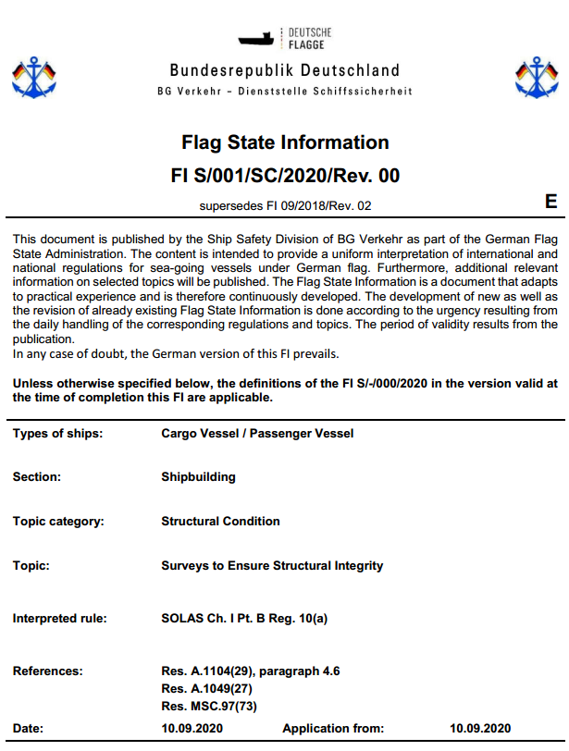
 | ship types
PAX | = | Passenger Vessel
Cargo | = | Cargo Vessel
Fishing | = | Fishing Vessel | 1 | Section
Traditional | = | Ship of Traditional Build | 2 | FI number
Recriational | = | Recriational Craft | 3 | Topic category
1 2 3 4 5
Inland Water | = | Inland Water Vessel | 4 | Year of publication
7
 |  |  | 5 | Revision number
 |  |  | 6 | Ship types
 | section |  | 7 | Language
F | = | Fire Protection |  | E = English
I | = | ISM / MLC |  | D = German
M | = | Machinery
N | = | Nautics
S | = | Shipbuilding

6
1
2
 | topic categories
SC | = | Structural Conditions
IS | = | Intact Stability
DS | = | Damage Stability
IL | = | International Load Line
NL | = | National Load Line

